Sheet1
Indexes | Train_images | Train Images | Action
DJI | 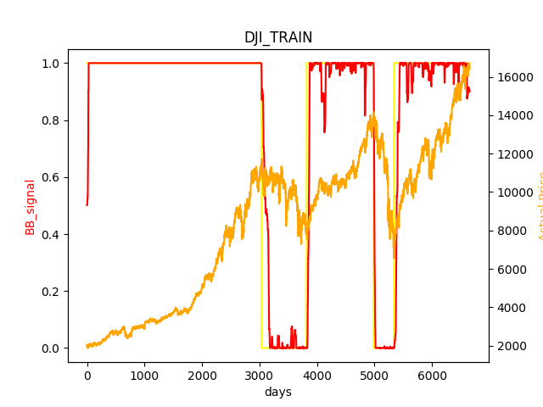 | 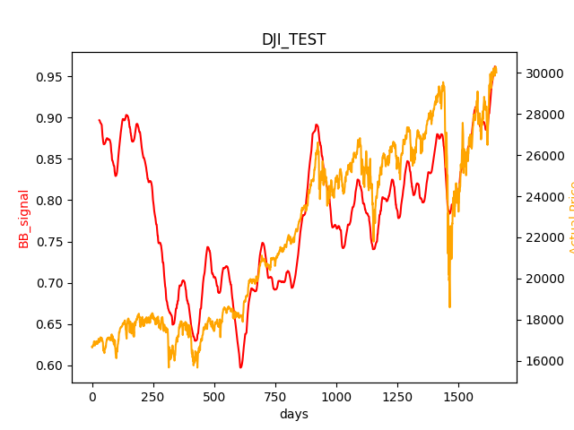 | ['BUY 0.5980024383956067share@16722.33984']
 |  |  | FINAL AMOUNT IS: 17949.348032147158 % CHANGE: 79.49348032147158 %
FTSE | 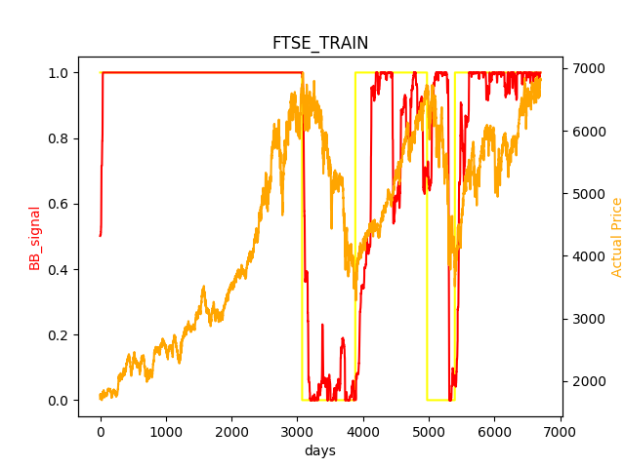 | 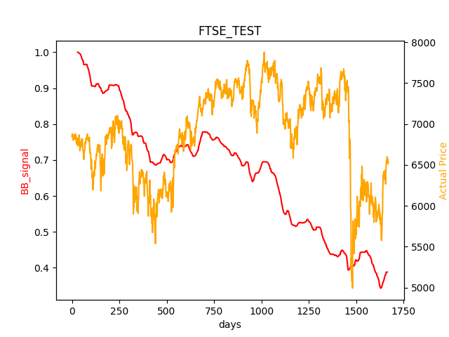 | ['BUY 1.4610057354442099share@6844.600098', 'SOLD1.4610057354442099@ $7198.700195, Value:10502.342272638352']
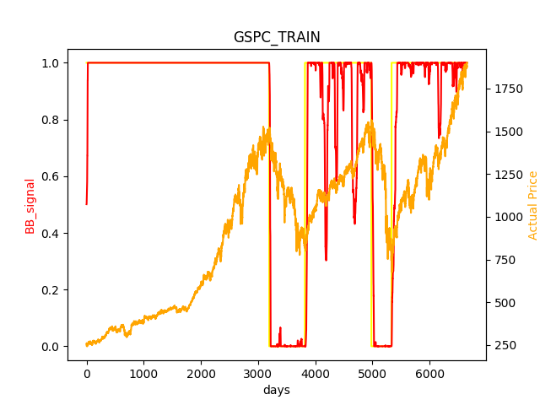
 |  |  | FINAL AMOUNT IS: 10502.342272638352 % CHANGE: 5.023422726383524 % | Stock % change= -4.6080106724154675
GSPC |  | 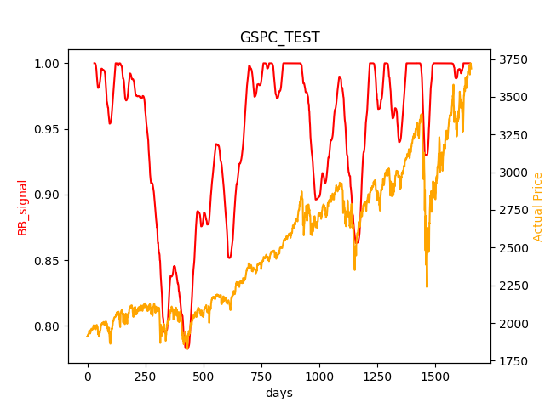 | ['BUY 5.1968569679294525share@1924.23999']
 |  |  | FINAL AMOUNT IS: 19162.162875536123 % CHANGE: 91.62162875536124 %
HSI | 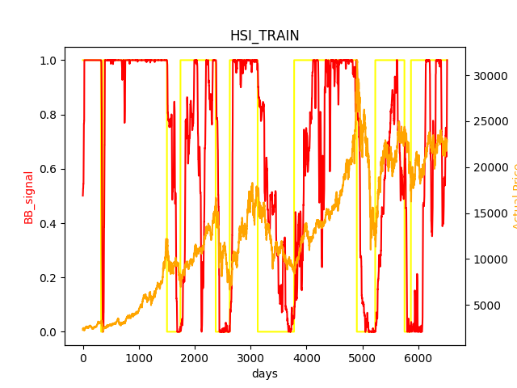 | 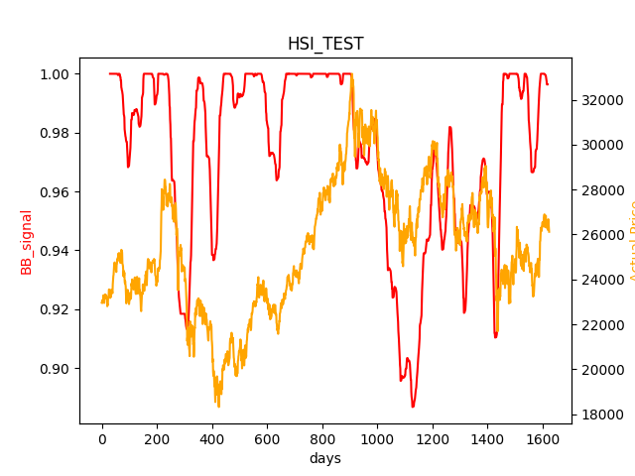 | ['BUY 0.4332445830793991share@23081.65039']
 |  |  | FINAL AMOUNT IS: 11316.023576596595 % CHANGE: 13.160235765965952 %
IXIC | 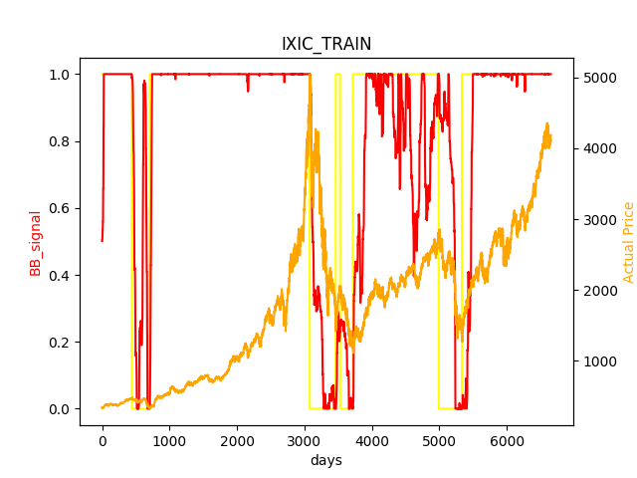 | 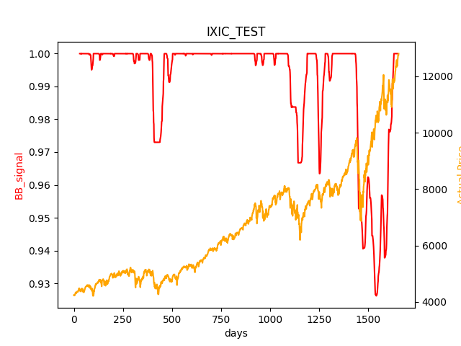 | FINAL AMOUNT IS: 30249.59302623752 % CHANGE: 202.49593026237517 %
 |  |  | Stock % change= 202.49593026237517
N225 | 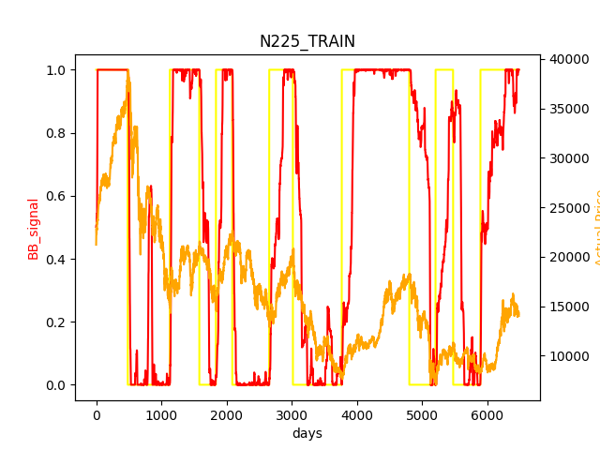 | 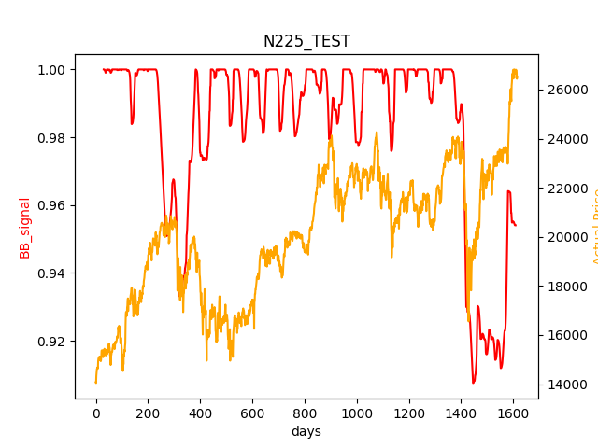 | ['BUY 0.6832225365807304share@14636.51953']
 |  |  | FINAL AMOUNT IS: 18122.333663842008 % CHANGE: 81.22333663842008 %
STI | 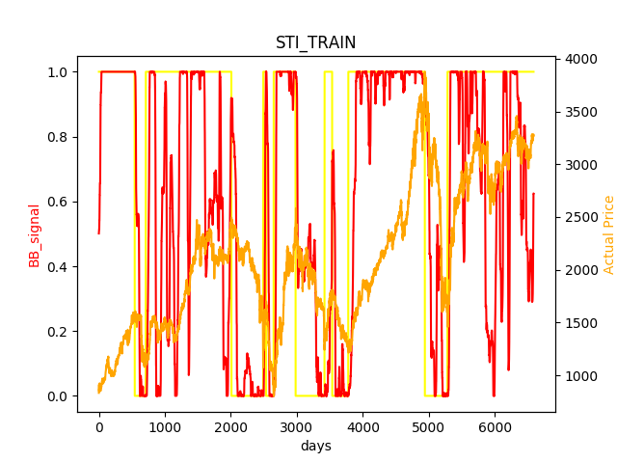 | 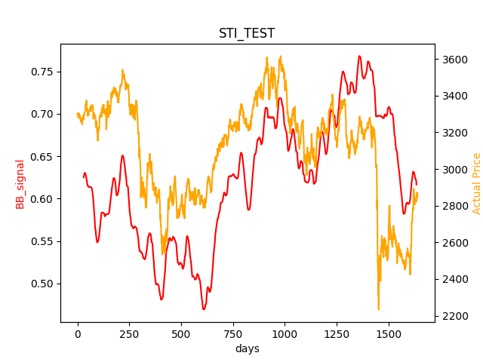 | ['BUY 3.0491152462634106share@3279.639893', 'SOLD3.0491152462634106@ $2815.52002, Value:8569.845019141863', 'BUY3.9370854516495153@ $2539.949951, Value:8554.845019141863', 'SOLD3.9370854516495153@ $2831.060059, Value:11131.125371034917', 'BUY3.353971393707653@ $2981.540039, Value:11116.125371034917']
 |  |  | FINAL AMOUNT IS: 9547.146718696136 % CHANGE: -4.528532813038637 % | Stock % change= -13.206324082239723

 |  |  | 1. Use Visualistion
 |  |  | 2. Portfolio - Look at Tony
 |  |  | 3. Compare with MACD
 |  |  | ,

